Sheet1
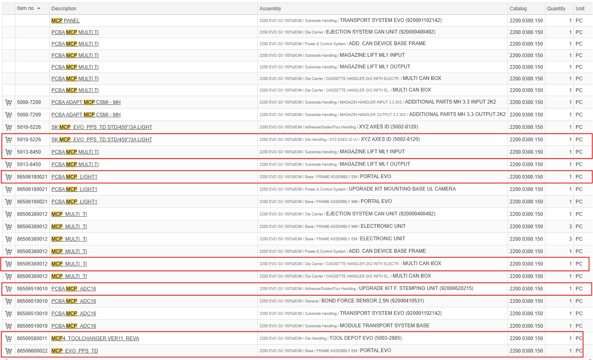
Electrical Cabinet: Purchase all items 3rd Party
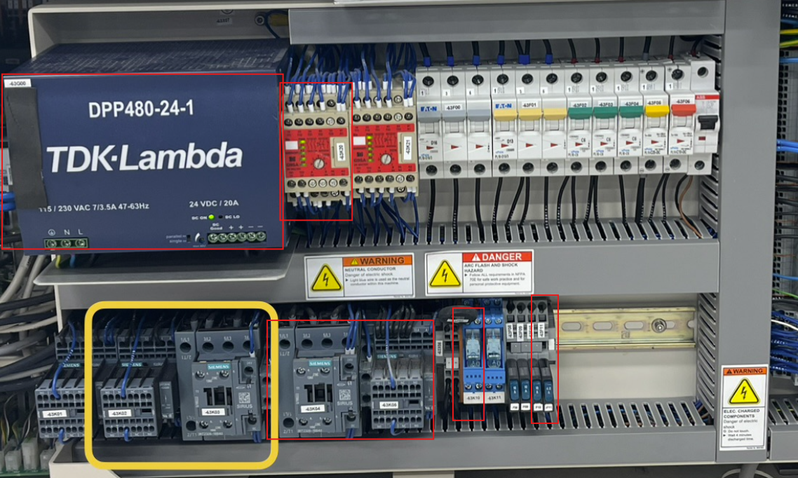

Vacuum Pump: Connect Machine to House Vacuum instead of using Vacuum pump
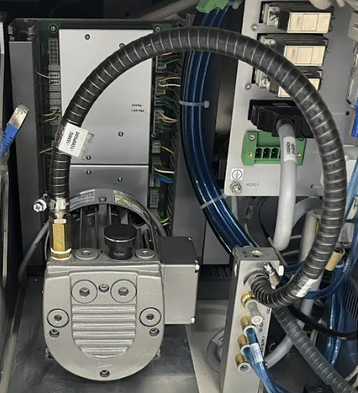

Servo Controllers
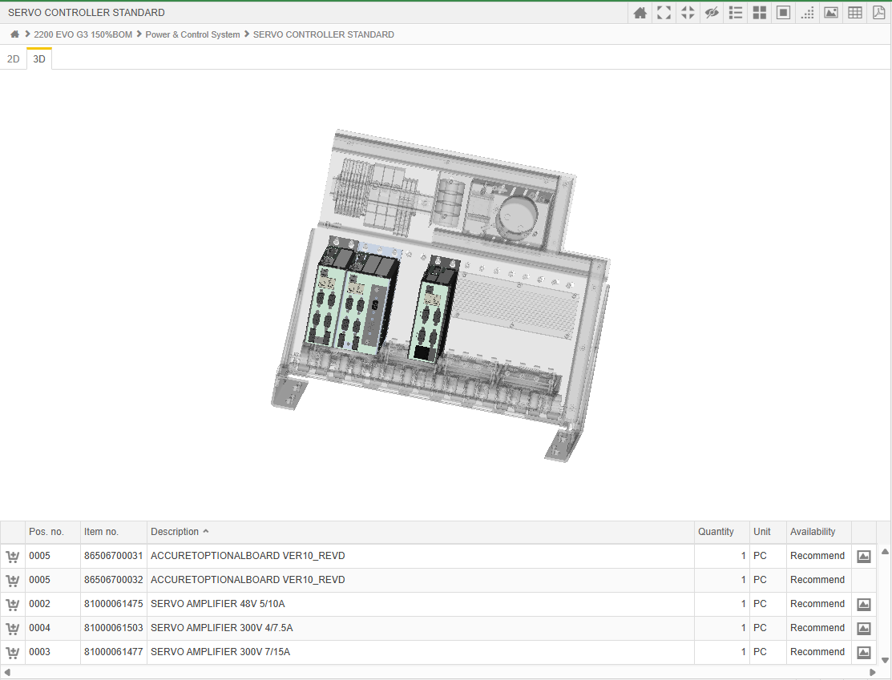

PC: Hard drive depends on the SW version
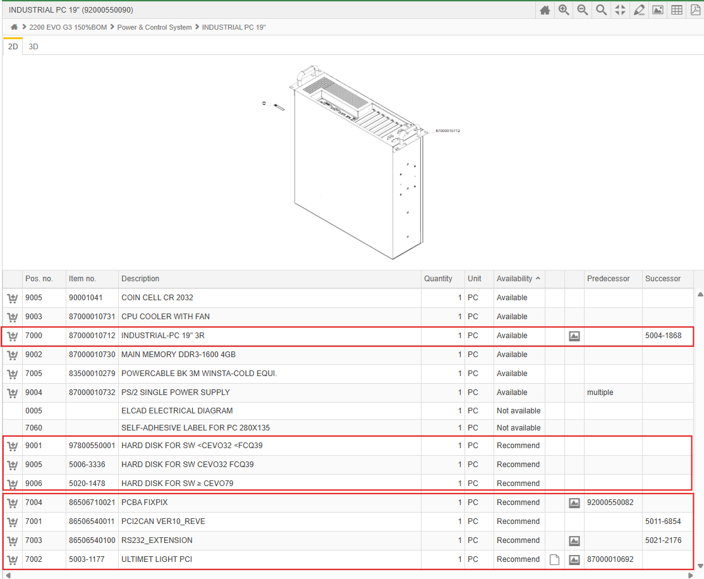

Lighting

Cameras

Wafer Camera parts

Toolbank
Toolbank retainer and Sensor board

Mini BMC Kit: Measuring Plate is the Bondforce Sensor Glass plate

Bondforce Sensor Calibration Kit
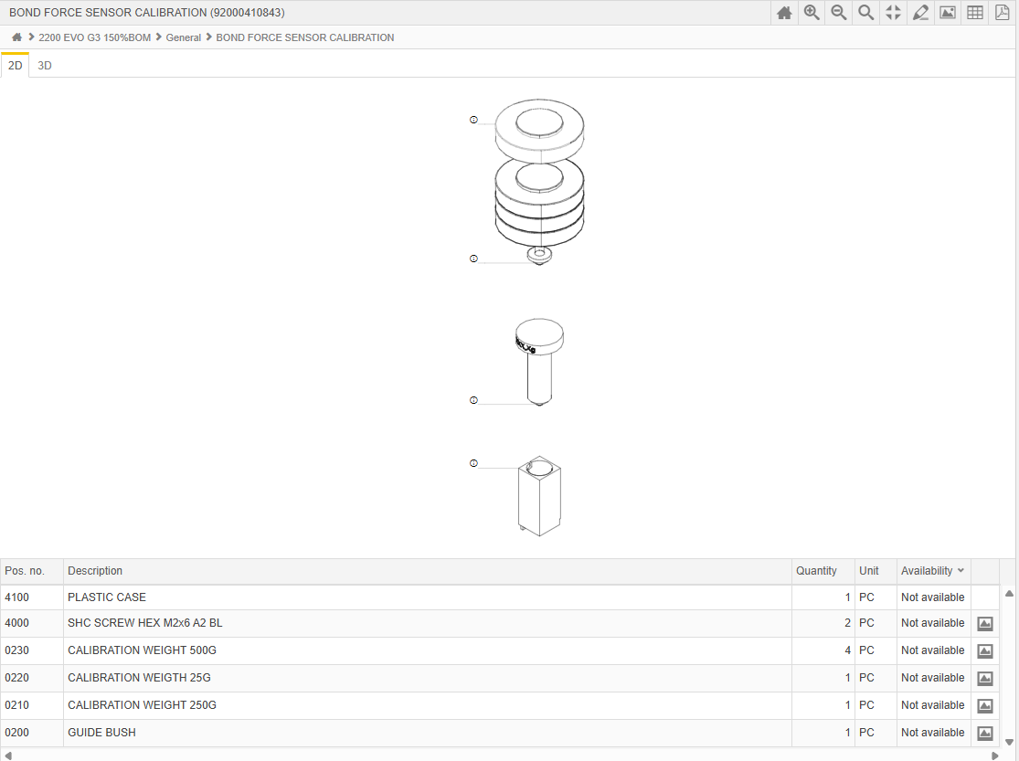

Transportsystem

Wafer Table

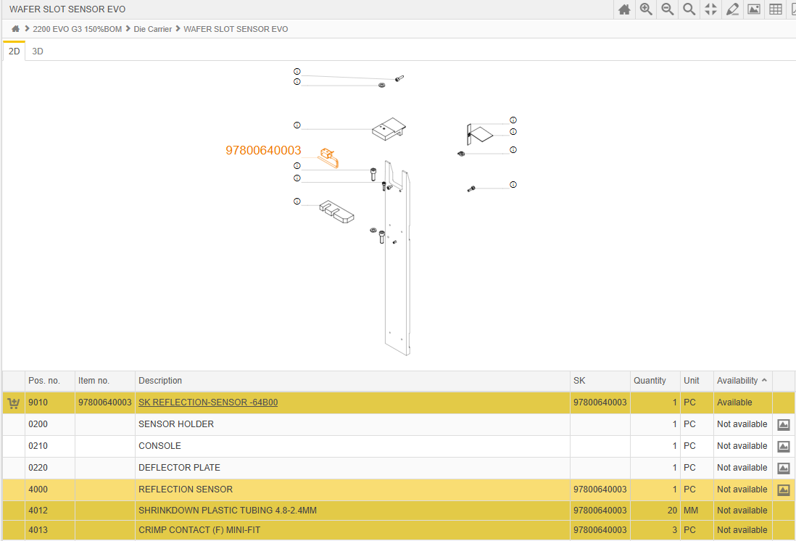

CAN Boards

